wind
Linear additional growth
Simplified (linear) approach:
 | Installed Capacity (Windeurope) | Potential Capacity 2050 (JRC (3), low restrictions) |  | Linear regression:
 | 2018 | 2050
Offshore | 18 | 3800
Onshore | 171 | 4750

Result:
Onshore | 143.09x - 288592 | 143 | GW/a
Offshore | 118.19x - 238484 | 118 | GW/a
Onshore |  | 143000 | MW/a
Offshore |  | 118000 | GW/a

Comment: | In order to identify the maximum possible growth, here , two values are used: 1. the installed capacity in 2018 and 2. the technical potential in the year 2050 (This value is taken from the MPCbS calculations. ).
 | The slope of the linear regression is used as the max cap growth.

geothermal
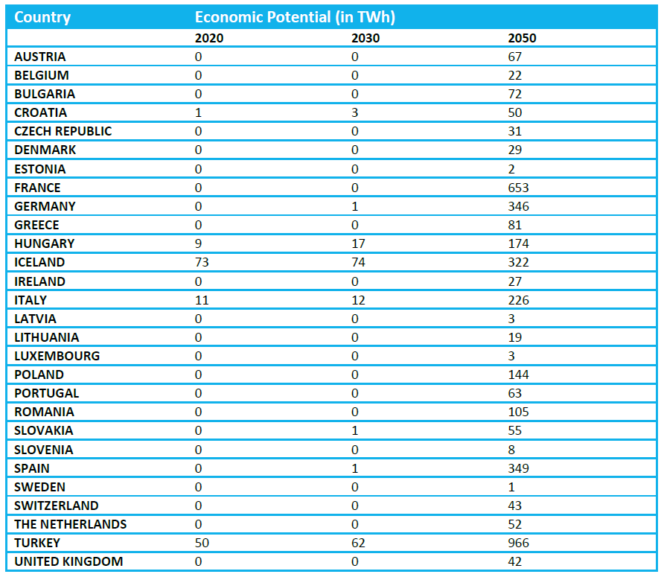
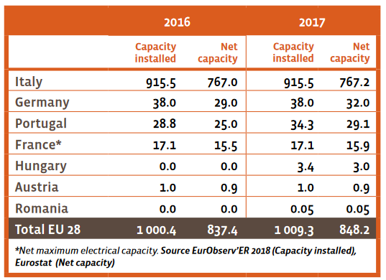
 | Economic Potential of Geothermal in 2050 in TWh (8) | 2624
 | FLH Geothermal | 8700
 | Potential Installed Capacity in 2050 in TW | 0.3016091954
 | Potential Installed Capacity in 2050 in MW | 301609.1954

 |  | 2017 | 2050
 | Installed Capacity Geothermal Power (9) in MW | 837 | 301,609

 | Max. Capacity Addition per year PV | 9,114

Comment | Values are taken from the sources 8 and 9
 | Here an approach is used that is similar to the wind approach:
 | In order to identify the maximum possible growth, here , two values are used: 1. the installed capacity in 2017 and 2. the economic potential in the year 2050 (This value is taken from the MPCbS calculations).
 | The slope of the linear regression is used as the max cap growth.

